References
References
CA100+ Benchmark
FRC Stewardship Code
ICSWG Engagement Reporting Guide
IIGCC Investor Expectations of Corporate Transition Plans: From A to Zero
IIGCC Net Zero Investment Framework
IIGCC Net Zero Investment Framework - Supplementary Guidance on Target Setting
IIGCC Net Zero Stewardship Toolkit
Investor Climate Action Plans (ICAPs) Expectations Ladder and Guidance
PRI Investor Reporting Guidance

Alignment criteria
As recommended in Net Zero Investment Framework, Net Zero Stewardship Toolkit and IIGCC Investor Expectations of Corporate Transition Plans

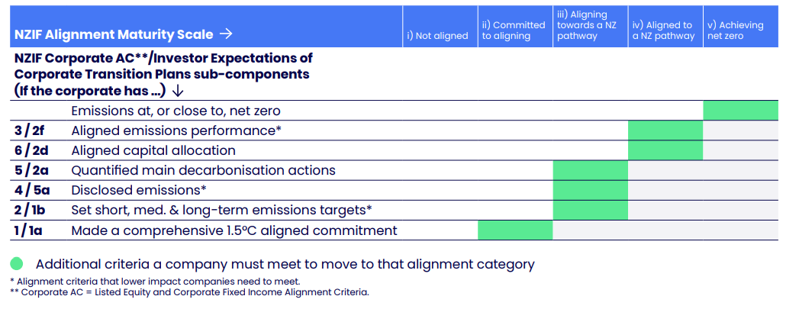
Mapping of criteria to alignment categories

NZIF Alignment Criteria | IIGCC Investor Expectations of Corporate Transition Plans criteria
